Supporting Data
State: |  | Tamil Nadu |  |  |  |  | Dam types
Dam name: |  |  | Input text into red-shaded cells |  |  |  | Concrete gravity
 | PIC: |  |  |  |  |  | Concrete arch
Dam Type: |  | Composite |  |  |  |  | Masonry
River System: |  |  | Date (dd/mm/yyyy) | Engineering Background | Years of experience | REVIEW CONCLUSION | Embankment
Screening provided by: |  | A.K | 12/05/2023 | Mechanical Engineering | less than 5 | CORRECTIONS REQUIRED | Composite
Reviewer: |  | J.D | 01/02/2024
Main Design Features and Components of the Dam:
Site Description:
Please use this page to paste supporting information:
- general arrangements drawings
- scanned drawings and cross-sections
- hydrographs
- photographs
- references
- any other supporting information for reviewers!
 |  |  |  |  |  |  | Years of experience
 |  |  |  |  |  |  | less than 2
 |  |  |  |  |  |  | less than 5
 |  |  |  |  |  |  | less than 10
 |  |  |  |  |  |  | 10 or more

Combination |  |  |  |  |  |  | Engineering Background
 |  |  |  |  |  |  | Civil Engineering
 |  |  |  |  |  |  | Electrical Engineering
 |  |  |  |  |  |  | Mechanical Engineering
 |  |  |  |  |  |  | Other

 |  |  |  |  |  |  | Review outcome
 |  |  |  |  |  |  | APPROVED
 |  |  |  |  |  |  | CORRECTIONS REQUIRED

SUMMARY
India National Dam Inventory Assessment (INDIA)

Final scores |  |  |  |  |  | State: | Tamil Nadu
TC | EC | SP | FI | PI | Risk Index (RI) | Dam name: | 0
63.2 | 199.9 | 41.3 | 304.4 | 83.5 | 25,406 | PIC: | 0
Percentage of maximum score |  |  |  |  |  | Dam Type: | Composite
60.7% | 60.9% | 60.8% | 60.9% | 16.7% | 10.2% | River System: | 0
 |  |  |  |  |  | Screening provided by: | A.K | on | 12/05/2023
Maximum possible scores |  |  |  |  |  | Reviewer: | J.D | on | 01/02/2024
TC | EC | SP | FI | PI | Risk Index
104 | 328 | 68 | 500 | 500 | 250,000
Key:
TC: Technical Characteristics
EC: Existing Conditions
SP: Safety Plans
FI: Fragility Index
PI: Potential Impacts
RI: Risk Index
 |  |  |  | Score | % of Maximum
Technical Characteristics Summary:
TC-1 Age |  |  |  | 3.0 | `
TC-2 Inflow Design Flood |  |  |  | 0.0 | 0%
TC-3 Seismic design |  |  |  | 0.0 | 0%
TC-4 Landslides, GLOF's, LDOF's, debris flow and sedimentation |  |  |  | 4.5 | 64%
TC-5 Length (m) |  |  |  | 3.0 | 100%
TC-6 Conduits |  |  |  | 6.0 | 40%
TC-7 Filters |  |  |  | 12.0 | 50%
TC-8 Foundation and Abutments |  |  |  |  |  | Dam is a class A Structure - see worksheet EC for details
Concrete and Masonry |  |  |  | 0.0 | 0%
Embankment |  |  |  | 28.0 | 100%
Existing Conditions Summary:
EC-1 Seismic resistance |  |  |  | 9.0 | 50%
EC-2 Available flow discharge capacity |  |  |  | 28.0 | 44%
EC-3 Actual flow discharge equipment conditions |  |  |  | 40.0 | 62%
EC-4 Back-up power |  |  |  | 9.0 | 75% |  | NO VERDICT DAM - information about site geology and subsurface conditions of overburden insufficient
EC-5 Access to site |  |  |  | 4.5 | 75%
EC-6 Concrete gravity |  |  |  | 11.0 | 42%
EC-7 Spillway structure |  |  |  | 18.0 | 60%
EC-8 Masonry |  |  |  | 15.1 | 41%
EC-9 Embankment, abutments and foundations |  |  |  | 65.3 | 93%
Safety Plans Summary:
1-Design documentation |  |  |  | 1.0 | 50%
2-Operations & Maintenance (O&M) Manual |  |  |  | 7.0 | 88%
3-Emergency Action Plan |  |  |  | 4.0 | 50%
4-Organization, staffing and technical competence |  |  |  | 1.7 | 56%
5-Safety inspection reporting and monitoring procedures |  |  |  | 3.0 | 43%
6-Dam Safety Reports with analysis and interpretation |  |  |  | 2.7 | 44%
7-Follow-up actions |  |  |  | 4.0 | 25%
8-River System operation |  |  |  | 18.0 | 100%
Potential Impacts Summary:
1-Population at Risk (PAR) |  |  |  | 49.6 | 13%
2-Environmental impacts |  |  |  | 21.0 | 60%
3-Socio-economic impacts |  |  |  | 12.9 | 14%
Can the dam breach cause cascading failure of downstream dams (YES/NO) |  |  |  |  | NO
Is this dam classified as Class A Structure [YES/NO] |  |  |  |  | YES

PI
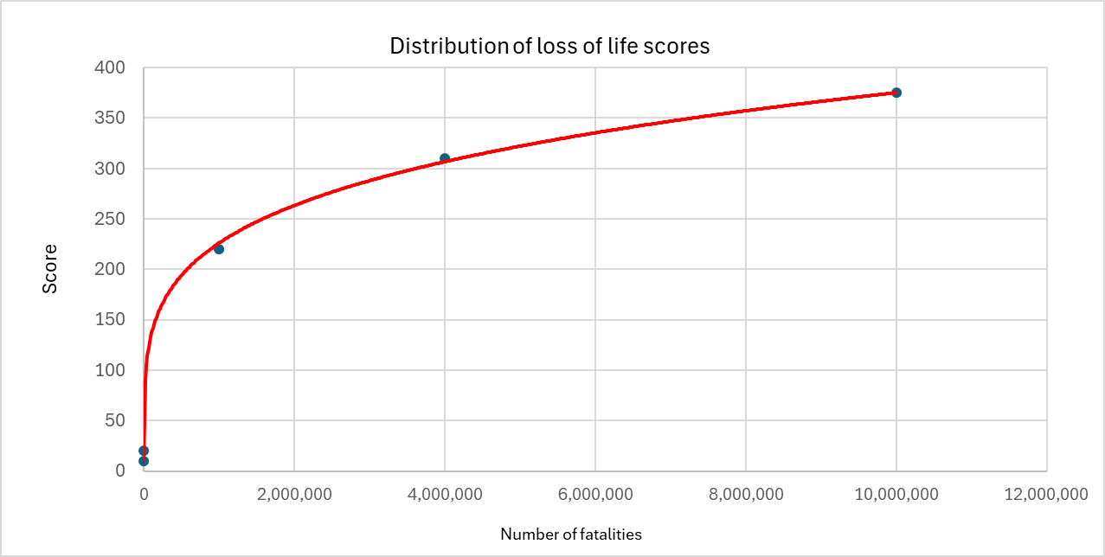
Input PAR into this cell |  |  |  | 1,000

 | Possible scores | Selected score | Comments
1-Population at Risk (PAR)
None | 0
PAR < 100 | 30
100 < PAR < 1,000 | 50
1,000 < PAR < 10,000 | 82 | 49.6
10,000 < PAR < 100,000 | 136
100,000 < PAR < 1,000,000 | 226
1,000,000 < PAR < 10,000,000 | 375
2-Environmental impacts
Minimal | 0
Moderate | 2
High | 9 | 21.0
Very High | 20
Extreme | 35
3-Socio-economic impacts
Minimal Overall impact moderate and of strictly local nature | 0
Moderate Overall impact moderate and of strictly local nature | 3
High Overall impact significant and affecting the wider region | 16 | 12.9
Very High Overall impact significant and affecting the entire state | 44
Extreme Overall impact catastrophic for the state and with wider national implications | 90
Large dam downstream
Can the dam breach cause cascading failure of downstream dams (YES/NO) |  | NO
 |  | YES | NO
Total PI score | 83.5

Max possible score | 500.0

 |  |  |  |  | 0 | 0
 |  |  |  |  | 100 | 30
 |  |  |  |  | 1000 | 50
 |  |  |  |  | 10000 | 82
 |  |  |  |  | 100000 | 136
 |  |  |  |  | 1000000 | 226
 |  |  |  |  | 10000000 | 375

